1. Title Page
Project Name: Instacart Grocery Basket Analysis
Date: 16/07/2024
Analyst Name: Saswata Biswas

Contents:
Population Flow
Consistency checks
Wrangling steps
Column derivations
Visualizations
Recommendations
Data Citation

2. Population Flow
Population flow

Exclusion flag
Condition: max_order <
Obervations to be removed:
Final total count of order_products_all: 32,404859

Orders_products_combined
Orders_products_merged
Orders_products_all

Total: 32,404,859
Total: 32,434,489
Total: 32,404,859

1.) The grey boxes in the first row of the population flow represent the original data sets as they were when you downloaded them. In the Total fields you need to add the count of the rows when you imported the data set into Jupyter.
2.) The second row of boxes (coloured) represents the data sets after you manipulated them, e.g., removed missing values and duplicates. In the Total fields you need to add the count of the rows after conducting these operations. This offers a visual oveview of how the data flows throughout the data consistency checks.
3.) The third row, where also the arrows are coloured, represents the merges you performed between the datasets. In the Total fields you need to add the count of the rows in the merged datasets, so that you end up with the final dataset (in the red box). Keep in mind the final dataset should be without exclusions (based on the exclusion flag).

3. Consistency checks
 |  |  |  | Title page
Consistency checks

Dataset | Missing values | Missing values treatment | Duplicates
orders | days_since_prior_order - 206209 missing | Checked and found all were the first orders of customers. Changed to 0 | No duplicates found
products | 16-product_name column | Removed | 5 Duplicates found and removed
orders_products_prior | 0 | No Missing Values | 0
customers | 0 | No Missing Values | 0

4. Wrangling steps
 |  |  |  | Title page
Wrangling steps

Columns dropped | Columns renamed | Columns' type changed | Comment/Reason
eval_set from orders_csv |  |  | Irrelevant information
 | order_dow to orders_days_of_week |  | too technical
 |  | order_id to string | save space and no relevant information
 |  | Department_id to int 8 and aisle id to int 16 | Save space
 |  | user_id to int32
 | First Name to first_name |  | for uniformity
 | Surnam to surname |  | Spelling and uniformity
 | Gender to gender |  | for uniformity
 | Age to age |  | for uniformity
 | STATE to state |  | for uniformity
 | fam_status to marital_status |  | for better understanding
 |  | first_name | was mixed data type
 |  | days_since_prior_order to int32 | so that we can create histograms. Float 16 is not supported
 | unnamed to department_id |  | better understanding and visualization
 |  | department_id to int8 | save space and for consistency

5. Column derivations
 |  |  |  | Title page

Column derivations and aggregations

In this tab you should add tables below that the frequences of flags/label variables that you produced after deriving them. NB: don't do this for continuous variables, only for flags.
Dataset | New column | Column/s it was derived from | Conditions
ords_prods_merge | price_range_loc | prices | df_ords_prods_merge.loc[df_ords_prods_merge['prices'] > 15, 'price_range_loc'] = 'High-range product' df_ords_prods_merge.loc[(df_ords_prods_merge['prices'] <= 15) & (df_ords_prods_merge['prices'] > 5), 'price_range_loc'] = 'Mid-range product' df_ords_prods_merge.loc[df_ords_prods_merge['prices'] <= 5, 'price_range_loc'] = 'Low-range product' df_ords_prods_merge['price_range_loc'].value_counts(dropna = False)
ords_prods_merge | busiest_day | orders_days_of_week | #Creating a loop for seeing busiest days: result = [] for value in df_ords_prods_merge["orders_day_of_week"]: if value == 0: result.append("Busiest day") elif value == 4: result.append("Least busy") else: result.append("Regularly busy")
ords_prods_merge | busiest_days | orders_days_of_week | # Create column “busiest_days" from "orders_day_of_week" to identify two busiest days (0, 1), slowest days (4, 3), or regularly busy (all other days). result_2 = [] for value in df_ords_prods_merge["orders_days_of_week"]: if value == 0 or value == 1: result_2.append("Busiest days") elif value == 4 or value == 3: result_2.append("Slowest days") else: result_2.append("Regularly busy")
ords_prods_merge | busiest_period_of_day | order_hour_of_day | #Create for-loop if statement labeling periods of time as “Most orders,” “Average orders,” and “Fewest orders.” result_3 = [] for value in df_ords_prods_merge["order_hour_of_day"]: if value in [10, 11, 14, 15, 13, 12, 16, 9]: result_3.append("Most orders") elif value in [23, 6, 0, 1, 5, 2, 4, 3]: result_3.append("Fewest orders") else: result_3.append("Average orders")
ords_prods_merge | frequency_flag | max_order | # Based on the criteria provided, create a column featuring order frequency flags ords_prods_merge.loc[ords_prods_merge['customer_frequency'] > 20, 'frequency_flag'] = 'Non-frequent customer' ords_prods_merge.loc[(ords_prods_merge['customer_frequency'] > 10) & (ords_prods_merge['customer_frequency'] <=20), 'frequency_flag'] = 'Regular customer' ords_prods_merge.loc[ords_prods_merge['customer_frequency'] <= 10, 'frequency_flag'] = 'Frequent customer'
ords_prods_merge | spender_flag | average_spend | # Assign spender tag to each customer ords_prods_merge.loc[ords_prods_merge['average_spend']<10,'spender_flag']='Low_spender' ords_prods_merge.loc[ords_prods_merge['average_spend']>= 10, 'spender_flag'] = 'High_spender'
ords_prods_merge | customer_activity_flag | max_order | # Creating Exclusion Flag Column for High-Activity Customers df.loc[df['max_order']>=5,'customer_activity_flag']='High Activity' # Creating Exclusion Flag Column for Low-Activity Customers df.loc[df['max_order']<5,'customer_activity_flag']='Low Activity'
ords_prods_cust_merge | age_group | age | # Creating age groups: ords_prods_cust_merge.loc[ords_prods_cust_merge['age']<=30,'age_group']='Young Adult' ords_prods_cust_merge.loc[(ords_prods_cust_merge['age']>30)&(ords_prods_cust_merge['age']<=60),'age_group']='Middle-Age Adult' ords_prods_cust_merge.loc[ords_prods_cust_merge['age']>60,'age_group']='Senior'
ords_prods_cust_merge | income_group | income | # Categorize customers into income categories: low, middle, & high income groups based on standard considerations of US incomes. ords_prods_cust_merge.loc[ords_prods_cust_merge['income'] <= 50000, 'income_group'] = 'Low' ords_prods_cust_merge.loc[(ords_prods_cust_merge['income'] > 50000) & (ords_prods_cust_merge['income'] <= 100000), 'income_group'] = 'Middle' ords_prods_cust_merge.loc[ords_prods_cust_merge['income'] > 100000, 'income_group'] = 'High'
ords_prods_cust_merge | dependants_flag | n_dependants | ords_prods_cust_merge.loc[ords_prods_cust_merge['n_dependants'] == 0, 'dependants_flag'] = 'No Dependants' ords_prods_cust_merge.loc[ords_prods_cust_merge['n_dependants'] > 0, 'dependants_flag'] = 'Has Dependants'
ords_prods_cust_merge | region | First created a list from State column and then used that list | ords_prods_cust_merge.loc[ords_prods_cust_merge['state'].isin(Northeast),'region']='Northeast' ords_prods_cust_merge.loc[ords_prods_cust_merge['state'].isin(Midwest),'region']='Midwest' ords_prods_cust_merge.loc[ords_prods_cust_merge['state'].isin(South),'region']='South' ords_prods_cust_merge.loc[ords_prods_cust_merge['state'].isin(West),'region']='West'

price_range_loc
Mid-range product 21860860
Low-range product 10126321
High-range product 417678
Name: count, dtype: int64

busiest_day
Regularly busy 22416875
Busiest day 6204182
Least busy 3783802
Name: count, dtype: int64

busiest_days
Regularly busy 12916111
Busiest days 11864412
Slowest days 7624336
Name: count, dtype: int64

busiest_period_of_day
Most orders 21118071
Average orders 9997651
Fewest orders 1289137
Name: count, dtype: int64

frequency_flag
Frequent customer 22796659
Regular customer 6921472
Non-frequent customer 2686728
Name: count, dtype: int64

spender_flag
Low_spender 31770614
High_spender 634245
Name: count, dtype: int64

customer_activity_flag
High Activity 30964564
Low Activity 1440295
Name: count, dtype: int64

region
South 10791885
West 8292913
Midwest 7597325
Northeast 5722736
Name: count, dtype: int64

6. Visualizations
 |  |  |  | Title page

Visualisations

In this tab you should include all the visualtions from Exercises 4.9 and 4.10, alongside the questions from the project brief that they answer. Include any commentary on the relationship between different variables.


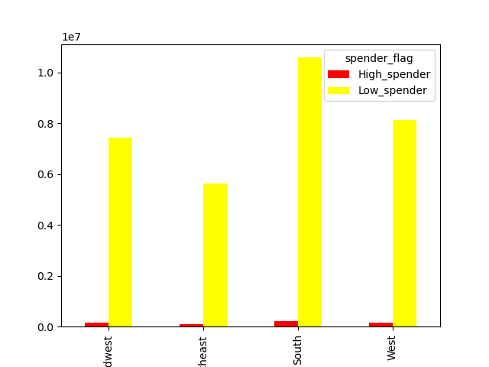
Orders_days_of_week |  |  |  |  | Product Prices |  |  |  |  | Spender_flag region wise
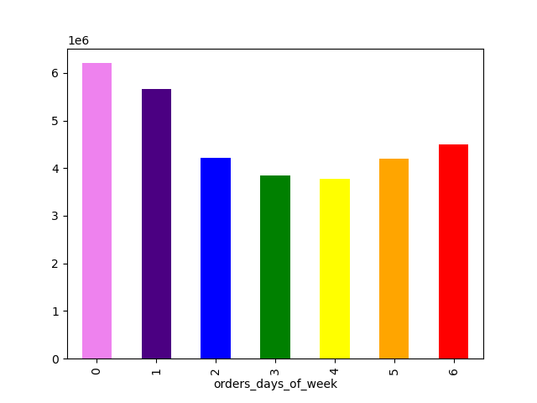

Note: Saturday and Sunday are the busiest days of the week |  |  |  | Note: Prices with values above 100 have been removed for this. However, will remove them only after approval from client/seniors |  |  |  |  | Note: Looking at this, all I can see is south has the highest users mainly because it has the highest number of states, 17.

Age group |  | Income vs Region |  |  |  | Dependant vs no dependants
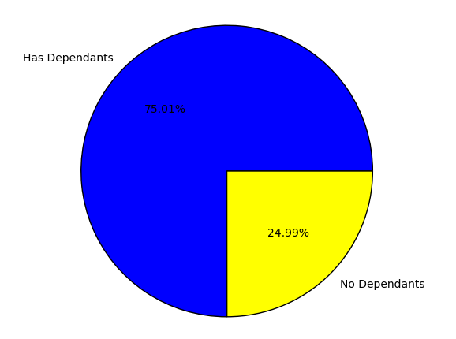
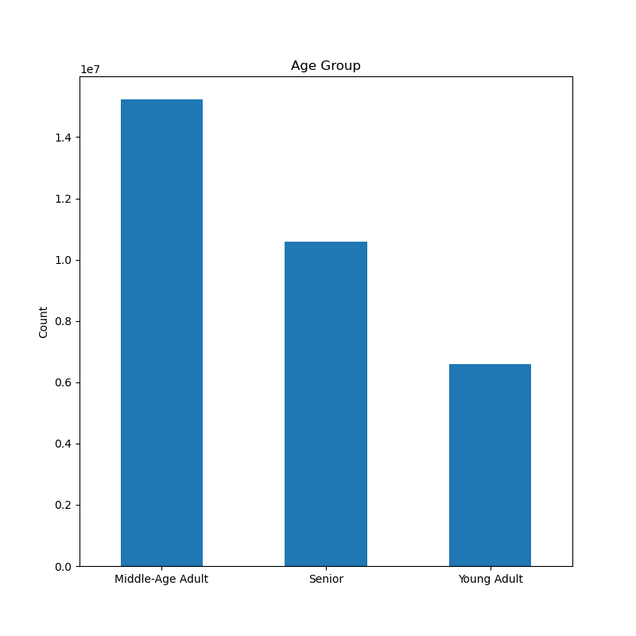
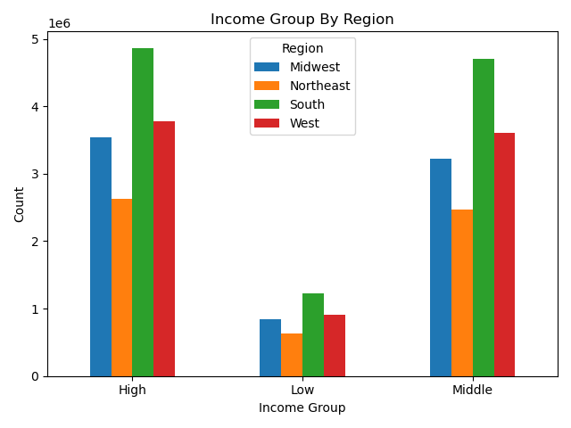
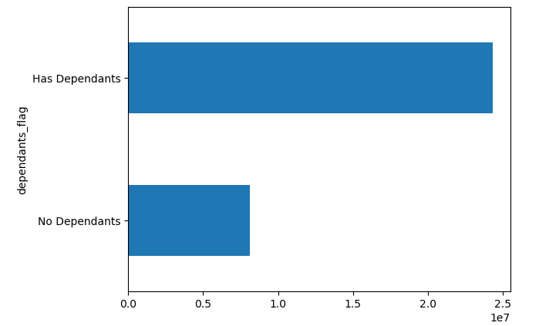

 | Note: People between ages 30 and 60 use instacart app the most | Note: the income groups are distributd as per the population of the regions |  |  |  | Note: The people who have dependants use our app more than the people who have no dependants

Sales per Departments |  | Age-group vs department sales |  |  |  |  | Age Group vs region

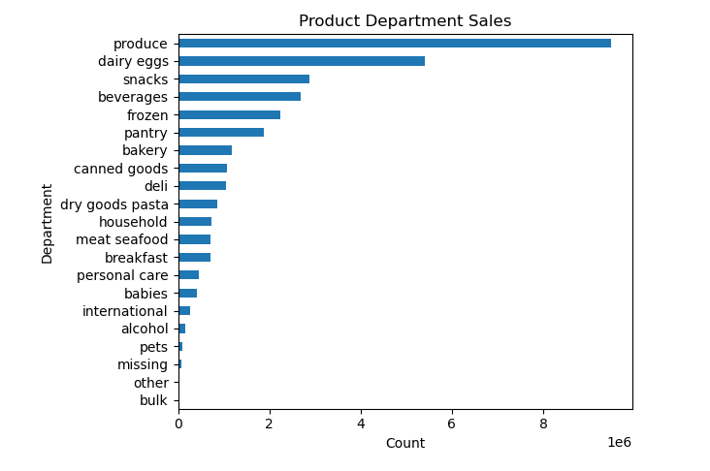
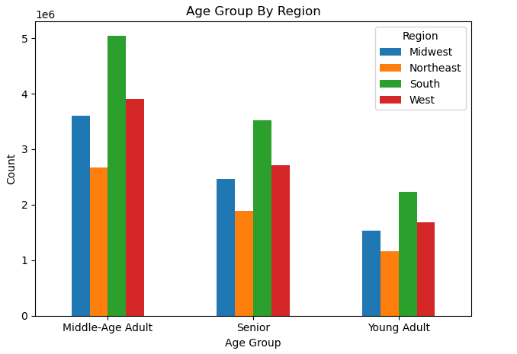
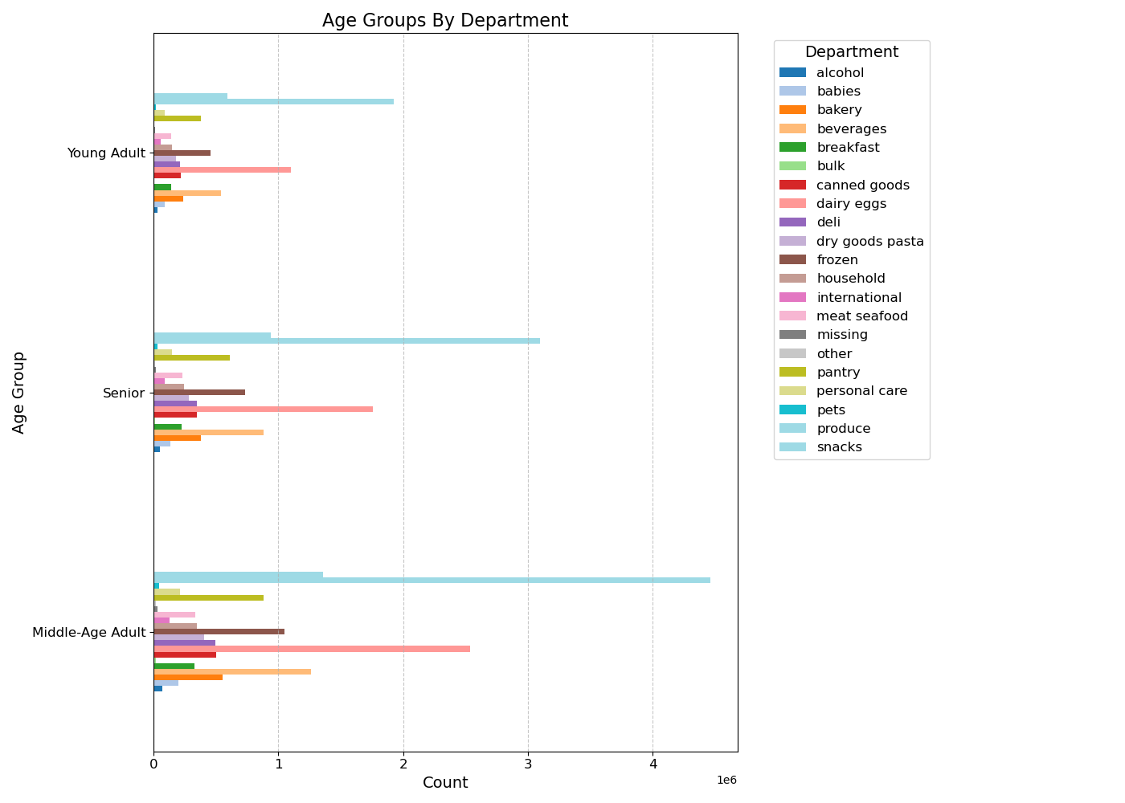

 | Note: The produce, dairy/eggs and snack department leads the overall sales. |  | Note: The produce, dairy/eggs and snack departments lead the overall sales across all age groups |  |  |  |  | Note: The age group is divided consistently as per the population of the regions

Loyalty of customer across age groups |  |  | Regularity of Customers region-wise

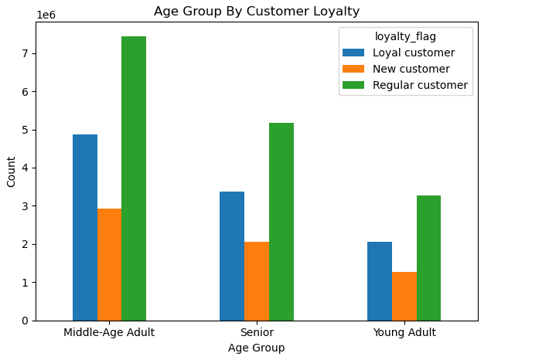
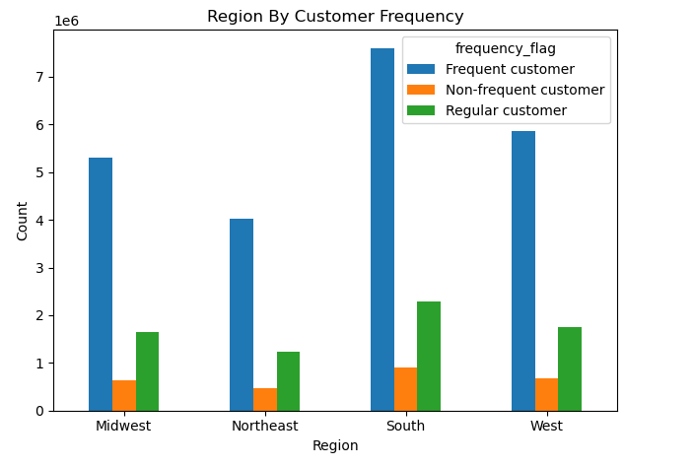

 | Note: The regular customers are the highest across all age groups |  | Note: The frequent customers are the highest across regions as per the population

7. Recommendations
 |  |  |  |  |  |  | Title page

Recommendations

In this tab you should include any recommendations you would made to Instcart in terms of their marketing strategy based on the questions posed in the brief. Every key question has been covered in the Tasks of the Exercises - here you need to add an item - a visualisation or table/crosstable that is showing the answer in the data, acompanied by a comment from you. Please, list the questions below and add the answer underneath.

Question |  | Answer
Key Question 1 |  | The least busy hour is from 11 pm to 6 am and the least busy days are Tuesday and Wednesday. My recommendation is to increase ads during the busiest hour (11 am till 3 pm) and busiest days (Saturday and Sunday) offering some discounts for the least busy hours and days
Key Question 2 |  | Prices see their highest peak at 4 am, but we need to understand that the number of customers are the least during these hours, so ads displayed in these hours will not reach the intended number of customers
Key Question 3 |  | Instacart needs to check the prices that are over 25 dollars as there seems to be some discrepancy there. Most of the prices can be tagged into 3 different tags, Low: 0.1 to 4.99, medium: 5.00 to 15.00 and high: 15.01 to 25.00, anything above this should either be removed or put into Expensive category
Key Question 4 |  | The produce, dairy/eggs and snack departments rule over all other departments across age-groups, family status and regions. They should focus more on these products to increase sales. Also, it would help sales if they could come up with some sort of offers on products which are low on sales to boost them up
Key Question 5 |  | We can clearly see below that more than 80% of our customer are regular or loyal and more than 90% of the customers are frequent.
Key Question 6 |  | There is no little to no correlation between Customer loyaly and their spending habits
Key Question 7 |  | There is no correlation based on customer's region. However, based on the population, I would recommend to focus on South region as it has the highest population
Others questions |  | We have a majority of customers who are married which clearly shows that we should focus on departments that have daily consumable goods. This way, there is a high probability that the loyal customers will become regular and the new customers will become at least loyal

 |  | loyalty_flag |  |  | frequency_flag
 | Regular | 15876776 | 49.00% | Frequent | 22796659 | 70.35%
 | Loyal | 10284093 | 31.74% | Regular | 6921472 | 21.36%
 | New | 6243990 | 19.27% | Non-frequent | 2686728 | 8.29%
 | Sum | 32404859 |  |  | 32404859

8. Data citation
 | Title Page

Data Citation

Data Source
“The Instacart Online Grocery Shopping Dataset 2017”, Accessed from www.instacart.com/datasets/grocery-shopping-2017 via Kaggle on July 15, 2024.
Products data set "Prices' column were fabricated information
Customer data set was fabricated information

